Sheet1
 |  | MMV000858 | MMV001059 | MMV006239 | MMV020081 | MMV020136 | MMV020391 | MMV020520 | MMV020623 | MMV020710 | MMV085210 | MMV688980
 |  |  | 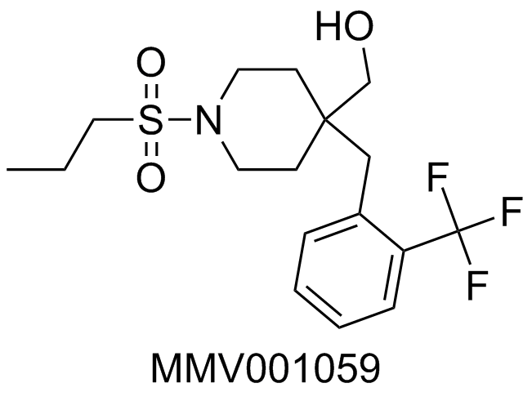 | 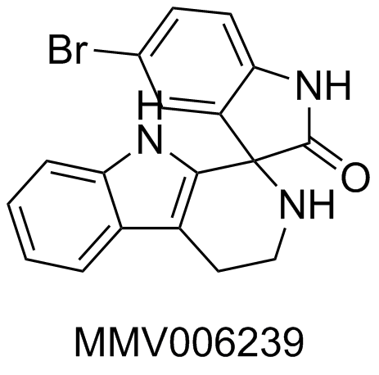 | 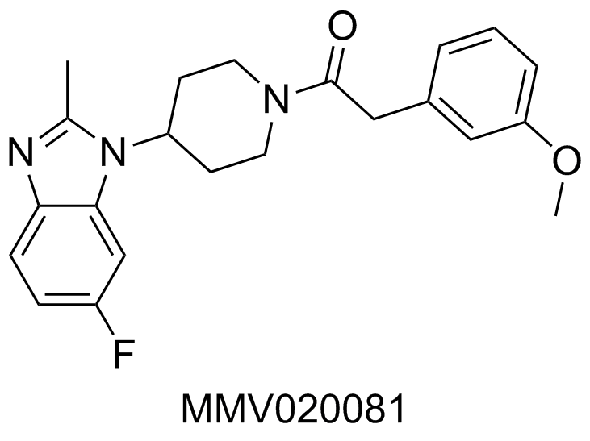 |  | 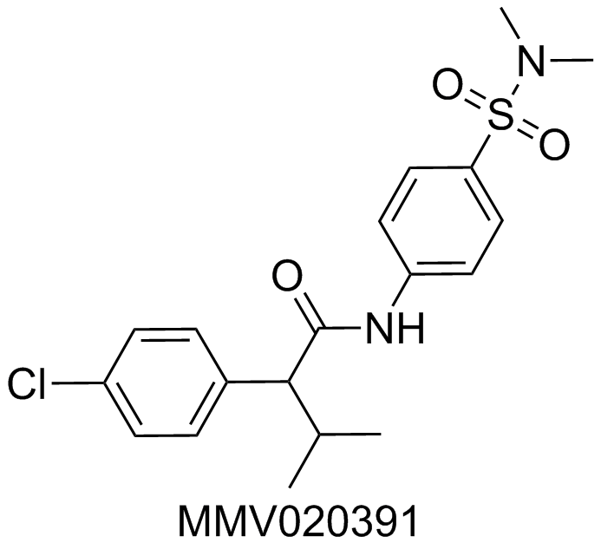 | 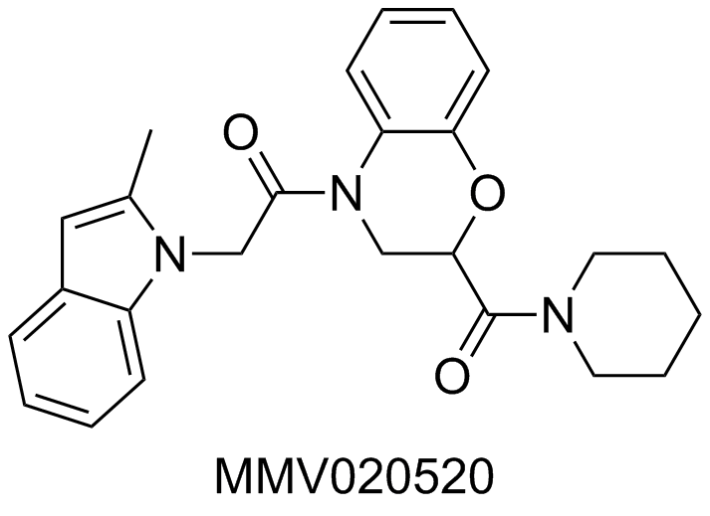 | 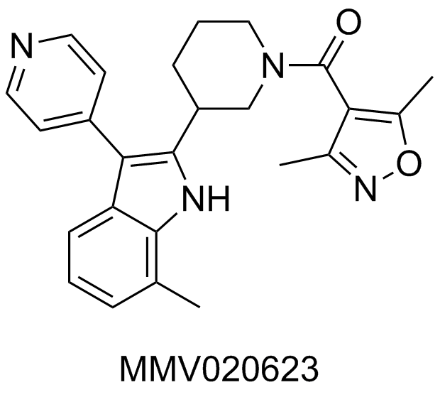 | 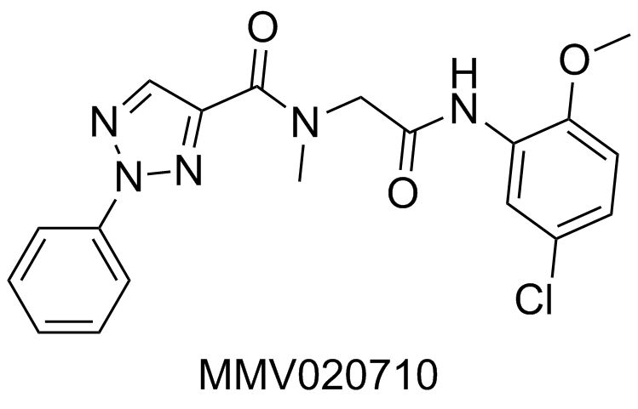 | 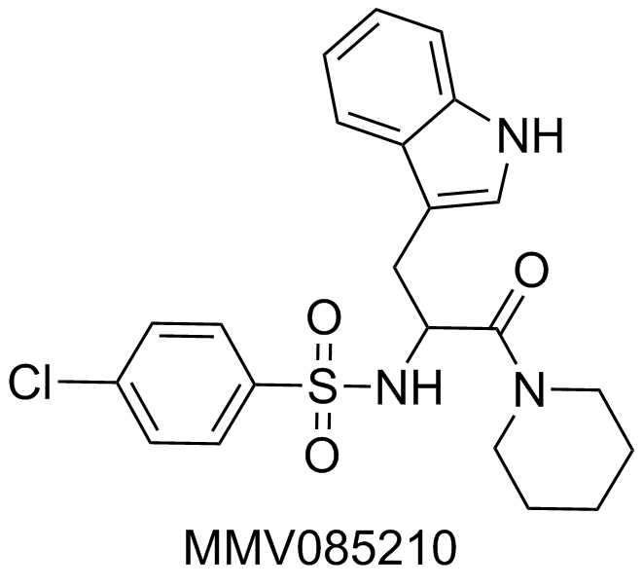 | 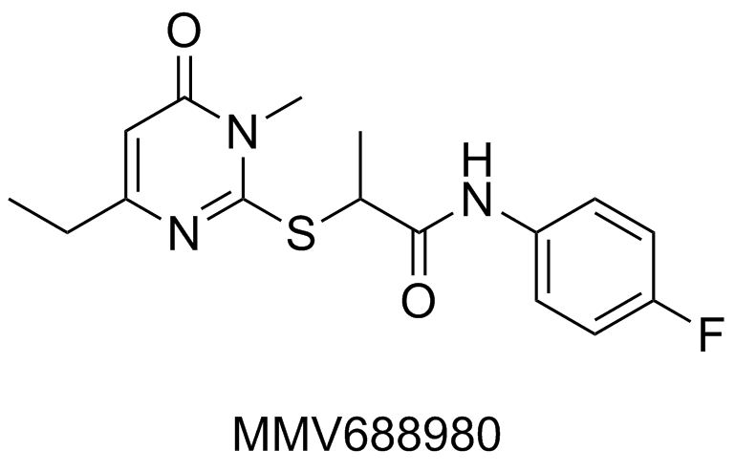 |  | Mean
semi-supervised machine learning, used to construct QSAR models. Molecules were featurised by either Graph convolutional techniques or with 1024 Bit ECFP4 descriptors. | Davy Guan EC50 Model | 107 | 343 | 400 | 78 | 236 | 258 | 371 | 366 | 290 | 206 | 362 | Davy Guan EC50 Model | 274
 | Davy Guan EC50 Model - flipped | 294 | 58 | 1 | 323 | 165 | 143 | 30 | 35 | 111 | 195 | 39 | Davy Guan EC50 Model - flipped | 127 | I've flipped the rankings of the EC50 model as I think they are in the wrong order
 | Davy Guan Model Replicate 3 | 394 | 345 | 1 | 93 | 263 | 65 | 173 | 198 | 108 | 298 | 223 | Davy Guan Model Replicate 3 | 196
 | Davy Guan Replicate 1 | 388 | 287 | 3 | 165 | 254 | 131 | 334 | 349 | 13 | 341 | 120 | Davy Guan Replicate 1 | 217
 | Davy Guan Replicate 2 | 280 | 118 | 3 | 317 | 104 | 27 | 368 | 388 | 36 | 188 | 248 | Davy Guan Replicate 2 | 189
PfATP4 Ion Regulation Activity classification model using machine learning | Giovanni Cincilla | 388 | 286 | 1 | 207 | 277 | 100 | 17 | 274 | 50 | 357 | 94 | Giovanni Cincilla | 186
Random forest with molecular fingerprints | James McCulloch | 328 | 330 | 3 | 19 | 383 | 84 | 11 | 68 | 23 | 247 | 191 | James McCulloch | 153
Gradient boosting model (using xgboost) to predict actives and nonactives | Johnathan Silva | 385 | 396 | 22 | 208 | 294 | 94 | 181 | 41 | 49 | 323 | 107 | Johnathan Silva | 191
library of 'common' transformations' as seen in CHEMBL | Vito Spadavecchio | 153 | 318 | 1 | 63 | 384 | 387 | 392 | 84 | 351 | 327 | 264 | Vito Spadavecchio | 248
QSAR model based on homology modeling of PfATP4 -Cresset Forge | Ho Leung Ng | 106 | 64 | 180 | 77 | 99 | 57 | 18 | 22 | 115 | 93 | 11 | Ho Leung Ng | 77

 |  |  |  | KAE678 NITD678 - in training set, Cl rather than Br

